Question1
Q1. What are your options for reducing the file size? What is the simplest technique to reduce the file size?
Sol:
There are many options for reducing the file size like "Remove unnecessary worksheets, data, and formulas", compress the file, save in binary format (.xlsb), remove formatting, remove pivot cache and might be some other options are also present but normally i use to compress the file size.Honestly speaking i didn't work on vary large size of data so i did not feel till now to reduce the file size considering many options for reducing the file, but during sending the data i compress the file so it will go quickly. So i think the simplest technique to reduce the file size is to compress the file. We can see in the figure below that how we can compress the file.

Question2
Q2. What is the best way to apply a single format to all of the sheets in a workbook?
Sol:
Step1: First of all select all the sheets in worksheet by selecting one by one through ctrl + selecting the sheets by left clicking on it or if we want to select whole sheet in single click then go to first sheet then click shift + go to the last sheet and click on it. Whole sheet will be selected now.
Step2: Select the range in a sheet where we want to make changes and that range of all selected sheets will be
changes simultaneously or we can select all cells of a sheet by just clicking on the upper left corner of the sheet like in the fig. below
Step3: Now if we do any formatting then it will be apply on selected cells of all sheets.

This sheets selection done by
"ctrl + selecting specific sheets"

This sheets selection done by
"shift + go to last sheet and click ok"

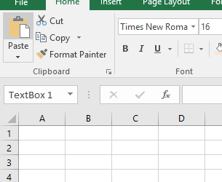

Click here for selecting all cells

Question3
Q3. What is the best way to write the following formula? Multiply the value in CELL A1 by 24, add 6 to the result, and divide by 6 to get the answer.
Sol:
The best way to write the formula is
=((A1*24)+6)/6
Output:-
=((A1*24)+6)/6
=((2*24)+6)/6
=((48)+6)/6
=(54)/6
=9
2

Output
9

Question4
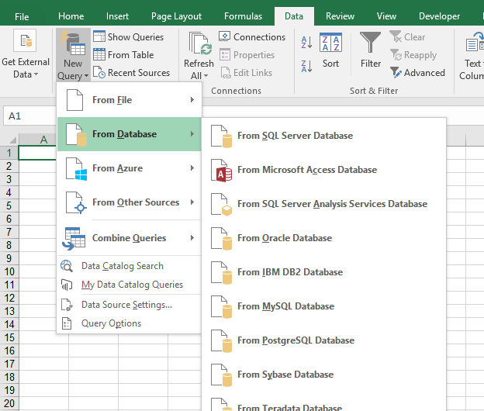
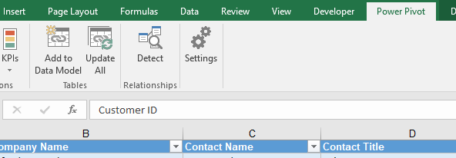
Q4. Is it feasible to create pivot tables using numerous data sources?
Sol:
Yes, it is feasible to create pivot tables using numerous data sources . In excel we have many options for importing relational database from different sources like MySQL, Microsoft SQL Server, Microsoft Access etc. We can also import data from text files but only if it is in proper formate like csv, After importing from different sources in different worksheets we have to create Data Model from going to "Power Pivot">"Add to Data Model"( in excel 2016), similarly add another sheets also in Data Model and create a relationship between them, now we can create "data related pivot table" from all the of data which was added to Data Model.
Step:1 Import Data from Different Sources Step:2 Adding imported Data to Data Model
Step:3 Creating Pivot Table

Question5
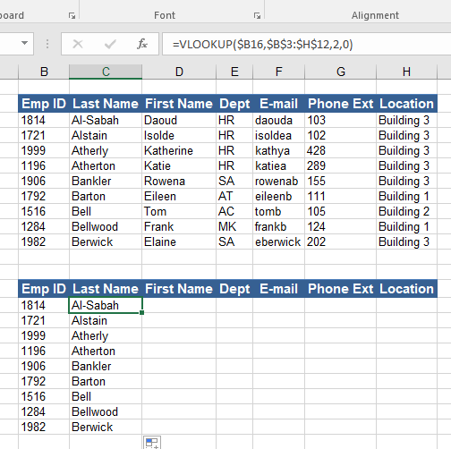
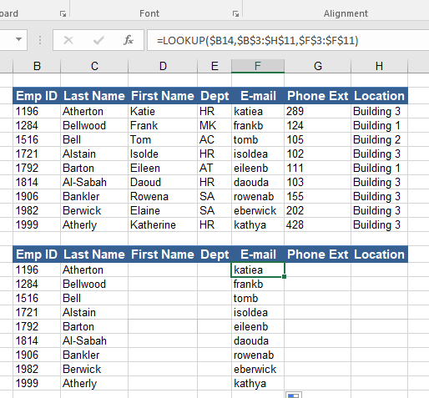
Q5. What distinguishes VLOOKUP from the LOOKUP feature?
Sol:
1) VLOOKUP doesn't need to sort the table first for giving the correct result but LOOKUP needs.
2) Normally VLOOKUP can only work for vertical result while LOOKUP will work for vertical as well as horizontal result.
3) VLOOKUP needs four arguments in formula for giving result while LOOKUP needs only three arguments for giving result.
4) VLOOKUP work only from left to right in a table while LOOKUP can work form left to right as well as from right to left in a table.
We can see the arguments difference between VOOKUP and LOOKUP and how working of VLOOKUP is different from LOOKUP in a table given below :-

Question6
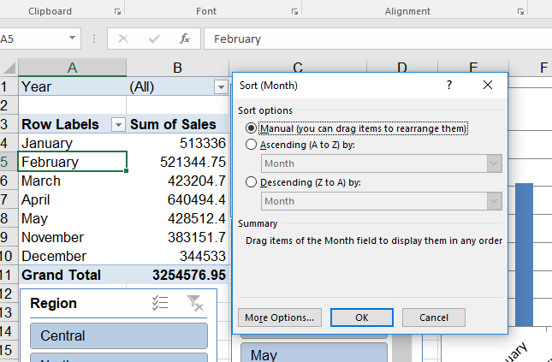
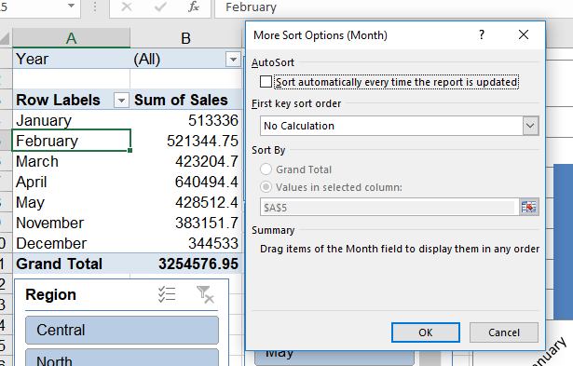
Q6. How do you stop the pivot tables from sorting automatically?
Sol:
First of all click in the Pivot table then click right click>"sort options">"more sort options">"more option">deselect "sort autometically". Now autometically sorting will be disabled.

